TRACKLIST
DMS TRACK LIST

CUTTING ADVICE |  |  |  | VTMs
GAPS BETWEEN TRACKS |  |  |  | VISUAL TRACK MARKERS
Please let us know below what length gaps (if any) you require us to add between each track. If gaps are not specified we will use our own discretion and cannot be held responsible for the gap lengths on your record. |  |  |  | 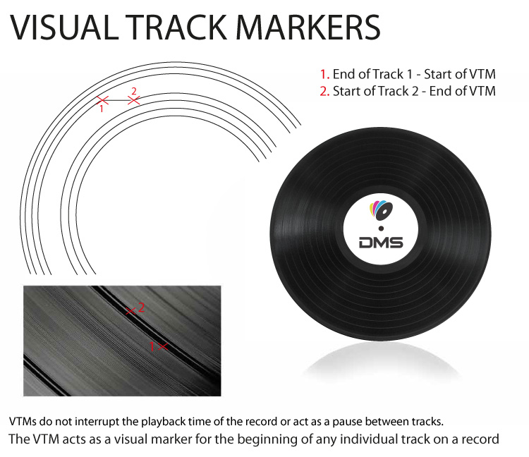 STANDARD = YES Visual Track Markers are the rings between the tracks on records and show the start/stop points for each track. Please ensure you supply track lengths so that our engineers know where to insert the VTMs. (NB: VTMs do not affect the playback of your audio at all and they will not insert any additional pause/silence).
CHOOSE YOUR CUT TYPE FROM THE THREE OPTIONS BELOW:
Please spend a moment to consider the information below and select one of the available types of cut.
1. STANDARD CUT
Quality is most important to me and I want the best cut possible. I am willing to accept corrections of volume and frequency content according to the cutting engineers expert opinion. We will still always aim to make the record sound as close to the master source as possible. THIS IS THE RECOMMENDED OPTION IF YOU'RE AT ALL UNSURE
2. FLAT CUT
Quality is very important to me and I want a minimum of changes made, even if the record ends up quieter than most vinyl. This generally only applies if your audio has been specifically mastered for vinyl.
3. LOUD CUT
Loudness is most important to me and reasonable distortion is acceptable. If the master contains lots of high end then this may need to be reduced in order to cut loud.
GENERAL NOTES
RUN OUT GROOVE ENGRAVINGS Engraving is charged at £15 + VAT per side. Please contact your account manager to add these to your order. Characters will be in CAPITAL LETTERS and must be common letters, numbers and symbols only. There is a maximum of 60 characters per side, including any spaces.
GAPS If gaps between tracks have not been included in your master files and you would like them added, please detail this in the GAPS section. If no gap requirements are specified, we will use our discretion but inform you if we have added gaps. In most cases we will not add gaps. Requested gaps will be added after each track. When supplying single-side audio files, it is assumed that gaps are set as they should be.
SPECIAL REQUESTS Please use the special request section to detail non-standard requirements such as endless grooves or hidden/bonus tracks. You may prefer to supply start times in the track length section when supplying single-side audio files. Please note this in the 'Special Requests' box.
RECOMMENDED MAXIMUM AUDIO LENGTHS FOR VINYL RECORDINGS 33 RPM 45 RPM 12" - At 33 RPM - 19 minutes 20 seconds per side 12" - At 45 RPM - 14 minutes 20 seconds per side 10" - At 33 RPM - 13 minutes 37 seconds per side 10" - At 45 RPM - 10 minutes 05 seconds per side 7" - At 33 RPM - This is not recommended per side 7" - At 45 RPM - 5 minutes 00 seconds per side (If your audio does exceed 5 mins per side on a 7” please leave the RPM as “DMS TO RECOMMEND” and we will contact you) Please be aware that we cannot accept claims based on the audio or sound quality of orders where these maximum lengths are exceeded, but we will investigate ALL audio claims regardless of side lengths.

TRACK LIST

ARTIST
TITLE
CATALOGUE NO

FILE TYPE |  |  | eg. WAV, AIFF, FLAC, LACQUER etc
AUDIO SAMPLE RATE |  |  | DON'T WORRY IF YOU ARE UNSURE AT ALL ABOUT THIS INFORMATION YOU CAN JUST SELECT 'NOT SURE' AND WE WILL COMPLETE IT FOR YOU
BIT RESOLUTION
AUDIO SAMPLE RATE
SPEED
CUT TYPE | STANDARD
VTMs (Visual Track Markers) | STANDARD

SPECIAL REQUESTS | (specify or delete)

ENGRAVING SIDE A | NO | TEXT SIDE A | (£15 ex VAT per side ADD TEXT REQUIRED HERE)
ENGRAVING SIDE B | NO | TEXT SIDE B | (£15 ex VAT per side ADD TEXT REQUIRED HERE)
ENGRAVING SIDE C | NO | TEXT SIDE C | (£15 ex VAT per side ADD TEXT REQUIRED HERE)
ENGRAVING SIDE D | NO | TEXT SIDE D | (£15 ex VAT per side ADD TEXT REQUIRED HERE)

TRACK | NAME OF SONG |  |  |  | TRACK LENGTH | ADD GAP? | GAP LENGTH
SIDE A - 1 |  |  |  |  |  | Y/N | 00:00
SIDE A - 2 |  |  |  |  |  | Y/N | 00:00
SIDE A - 3 |  |  |  |  |  | Y/N | 00:00
SIDE A - 4 |  |  |  |  |  | Y/N | 00:00
SIDE A - 5 |  |  |  |  |  | Y/N | 00:00
SIDE A - 6 |  |  |  |  |  | Y/N | 00:00
SIDE A - 7 |  |  |  |  |  | Y/N | 00:00
SIDE A - 8 |  |  |  |  |  | Y/N | 00:00
SIDE A - 9 |  |  |  |  |  | Y/N | 00:00
SIDE A - 10 |  |  |  |  |  | Y/N | 00:00
SIDE A - TOTAL | TOTAL =

TRACK | NAME OF SONG |  |  |  | TRACK LENGTH | ADD GAP ? | GAP LENGTH
SIDE B - 1 |  |  |  |  |  | Y/N | 00:00
SIDE B - 2 |  |  |  |  |  | Y/N | 00:00
SIDE B - 3 |  |  |  |  |  | Y/N | 00:00
SIDE B - 4 |  |  |  |  |  | Y/N | 00:00
SIDE B - 5 |  |  |  |  |  | Y/N | 00:00
SIDE B - 6 |  |  |  |  |  | Y/N | 00:00
SIDE B - 7 |  |  |  |  |  | Y/N | 00:00
SIDE B - 8 |  |  |  |  |  | Y/N | 00:00
SIDE B - 9 |  |  |  |  |  | Y/N | 00:00
SIDE B - 10 |  |  |  |  |  | Y/N | 00:00
SIDE B - TOTAL | TOTAL =

TRACK | NAME OF SONG |  |  |  | TRACK LENGTH | ADD GAP ? | GAP LENGTH
SIDE C - 1 |  |  |  |  |  | Y/N | 00:00
SIDE C - 2 |  |  |  |  |  | Y/N | 00:00
SIDE C - 3 |  |  |  |  |  | Y/N | 00:00
SIDE C - 4 |  |  |  |  |  | Y/N | 00:00
SIDE C - 5 |  |  |  |  |  | Y/N | 00:00
SIDE C - 6 |  |  |  |  |  | Y/N | 00:00
SIDE C - 7 |  |  |  |  |  | Y/N | 00:00
SIDE C - 8 |  |  |  |  |  | Y/N | 00:00
SIDE C - 9 |  |  |  |  |  | Y/N | 00:00
SIDE C - 10 |  |  |  |  |  | Y/N | 00:00
SIDE C - TOTAL | TOTAL =

TRACK | NAME OF SONG |  |  |  | TRACK LENGTH | ADD GAP ? | GAP LENGTH
SIDE D - 1 |  |  |  |  |  | Y/N | 00:00
SIDE D - 2 |  |  |  |  |  | Y/N | 00:00
SIDE D - 3 |  |  |  |  |  | Y/N | 00:00
SIDE D - 4 |  |  |  |  |  | Y/N | 00:00
SIDE D - 5 |  |  |  |  |  | Y/N | 00:00
SIDE D - 6 |  |  |  |  |  | Y/N | 00:00
SIDE D - 7 |  |  |  |  |  | Y/N | 00:00
SIDE D - 8 |  |  |  |  |  | Y/N | 00:00
SIDE D - 9 |  |  |  |  |  | Y/N | 00:00
SIDE D - 10 |  |  |  |  |  | Y/N | 00:00
SIDE D - TOTAL | TOTAL =

DMS Limited, registered in England and Wales, ID no 5127922, VAT no 838 5310 21
CD/DVD Replication & Duplication, Vinyl Manufacturing, Digital Mastering/Editing, Graphic Design & Full Colour Printing
The Pressing House, Faringdon Road, Plymouth, PL4 9ER, United Kingdom
0044 (0) 1752 201 275, info@discmanufacturingservices.com, www.discmanufacturingservices.com

